Cost Breakdown
ALI HASSAN |  |  |  | Magnolia Grace Ranch |  | Marsha Stephens | 1300 LF | $$$
Iron Fence Material | $6,334.00 |  | 20923 | 400' cedar post and 3 rail/stanined | $6400 + $2000 | jim sweet - avinyl fence | 20 year warranty | 20,150
Expanded metal on gates | $260.00 |  |  | Double Swing Gate | $5400 + 1800 | blackline |  | $29,000
Metal Kickplate | $260.00 |  |  | Wood arbor | $3300 + 2000 | Kelly Hanson VF&D |  | $33,000
Keypads | $1,735.30 |  |  | Stone wall material | $3200 + 2000
Iron Fence labor | $2,150.00 |  |  |  | $22,000 | Patrick Gong | 516sqft/171 lf | Paid | Balance
knox Box | $566.15 |  |  |  |  | 171 lf | 171x54=9234 | 11211 | ->fence+boulder+retaining wall
Knox box & keypad install | $2,300.00 |  |  |  |  | 516 sqft | 516x34=17544|234x24=5616|total - 23160 |  | lowes - 1550, home depot 800, window - 550, home depot 1607, window - 175 | 4261.6 | 4484.84
Wood Fence | $3,960.00 |  |  | Chris 3 rail vinyl fence |  | stain | 1300 | 1300
Gate Way & latches + mounting + Paddles + Hydrolic Hinge | 2500 |  |  | 344' x 4' material + shipping | $7,000 | electrical | 1500 | 1500 | 1500
 | $20,065.45 |  |  | vinyl fence install labor | $1,720 | stamped concrete | 5500 | 2750 | 2750
 |  |  |  | 4 strand barb wire material | $2,100.00 | concrete boudlers | 300 | 300 | 0
 |  |  |  | barb wire install labor | $2,362 | retaining wall | 129x13=1677 | 1677 | 0
AL'S hogwire fence - MATERIAL |  | 2620 LF |  | utility gate material plus labor | $450 | paint covered patio | 2200 | 2200
4x4x12 posts | 250 posts | 12,000 |  | double swing gate & opener material | 3900 | mastic | 1000 | 1000
2x4x8 rails | 850 rails | 8,500 |  | double swing gate & opener install & paint labor | $1,400 | permit | 376.17
2x6x8 top cap | 340boards | 7,480 |  |  | $18,932 | commissions | 1446 | meme - 723+1238.40 | 3407.4
6 gauge hog wire panel | 385 panels | 31,000 |  |  |  | drainage install | 300
screws/clips | 30lbs | 1000
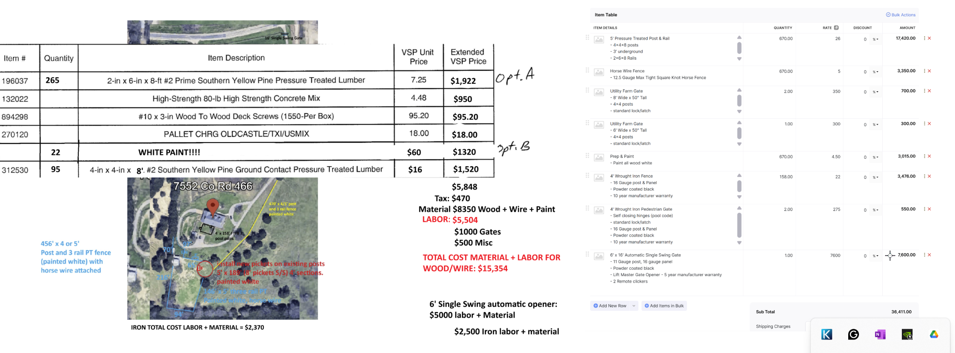
End grain | 3 gallon | 300
Dark Walnut stain | 60 gallons | 3,600
Gate kit | 82 kits | 2500
Rebar | 2 #3 bar in ea
Concrete | 800 bags | 1750
Total |  | 68,130

AL'S hogwire fence - LABOR
Fence labor | labor only | 15,720
Gate labor | 82 gates | $0
Stain labor | 7000 sqft | 1400
Concrete strip labor | $15/post - 415 posts
Total |  | 17,120
Total cost + labor |  | 85,250

IRFAN
gate: 3200
opener: $1010
Fence & cut: $2256 + 200
cap: $282
wood on gate: 300
stain: $829
gate installation $450
Misc: $550

